Requirement
AUTOCOUNT Job Listing |  |  |  |  |  |  |  |  |  | 2025-03-12

1. | Import all the exiting data from Master to Autocount
1.1 | - Quotation item
1.2 | - Sales Order item
1.3 | - Purchase Order item
1.4 | - Purchase invoice item
1.5 | - Delivery order item
1.6 | - Sales Invoice item
1.7 | - Credit note item
1.8 | - Debit note item
1.9 | - Stock issue item
1.10 | - Stock receive item
1.11 | - Stock adjustment item
1.12 | - Stock exchange item
1.13 | - Service Item - Copier details for each unit copier
1.14 | - Stock Item
1.15 | - Department code
1.16 | - Debtor / Creditor account
1.17 | - Debtor receive / Creditor payment with knock off details
1.18 | - Cash book (received and payment)
1.19 | - Bank recon (Optional)

Remark | Current procedure to knock outstanding item as per below
 | - Quotation | Close
 |  | Trasnfer to | Delivery order / Sales Invoice
 |  | Transfer to | Sales order | Transfer to | Purchase order | Transfer to | DO / Inv | Transfer to | Credit note (if any)

 | The above procedure manage to get the report for outstanding item for Purchase order / Deliver Order / Sales Order / Quotation

2. | Meter
2.1 | Import & update meter reading, date reading (DD/MM/YY), reference number from PUMS system according catergory and bulk generated invoice after checking |  |  |  |  |  |  |  |  |  | pending outstanding bill
2.1.1 | Category Pums Active - Meter collect from - "ACTIVE DEVICES BY ACTIVE AND SUSPEND ACCOUNTS - AT GROUP"
2.1.2 | Category Pums Non Active - Meter collect from - "ALL TASKS - AT GROUP"
2.1.3 | e-METER
Remark 2.1 | - auto generate reference number for Pums Active (PEM_YYMM_00000)

2.2 | Flexible changing in multiple price strategic according marketing strategic
Example | Example current marketing strategic
 | - waive rental for 1st - 5th month |  | if waive last 5 month
 | - waive rental when total billing archieve target according customer for the month |  | if target hit 50%, can do waive rental 50%
 | - balance charges for the non usage in COMMITTED printing volume
 | - multiple pricing according the printing QTY. 1st 5000pcs FOC then next 5001 and above at RM 0.80 per pcs

3. | Billing method
3.1 | - Common billing - 1 unit copier meter info. with rental
3.2 | - Combine more than 1 unit copier meter information in 1pcs invoice
3.3 | - Simplify invoice - no meter reading info.
3.4 | - Auto generate the number of month rental according the agreement start date. (Number of rental flexible in prepayment or accrual basic)
 | Case Study Example - Agreement start date 1/1/24 and End by 31/12/24 - 12 months service agreement period
Example 3.4 | Accrual rental basic |  |  | Prepayment rental basic
 | Billing date | Number of rental |  | Billing date | Number of rental
 | 01-01-2024 - rental bill in deliver date | 1/12 |  | 01-01-2024 - rental bill in deliver date | 1/12
 | 2024-01-31 |  |  | 2024-01-31 | 2/12
 | 2024-02-29 | 2/12 |  | 2024-02-29 | 3/12
 | 2024-03-31 | 3/12 |  | 2024-03-31 | 4/12
 | 2024-04-30 | 4/12 |  | 2024-04-30 | 5/12
 | 2024-05-31 | 5/12 |  | 2024-05-31 | 6/12
 | 2024-06-30 | 6/12 |  | 2024-06-30 | 7/12
 | 2024-07-31 | 7/12 |  | 2024-07-31 | 8/12
 | 2024-08-31 | 8/12 |  | 2024-08-31 | 9/12
 | 2024-09-30 | 9/12 |  | 2024-09-30 | 10/12
 | 2024-10-31 | 10/12 |  | 2024-10-31 | 11/12
 | 2024-11-30 | 11/12 |  | 2024-11-30 | 12/12
 | 31-12-2024 - only bill meter | 12/12 |  | 31-12-2024 - only bill meter

3.5 | To ensure the digit fill in the column information can fully display in the documentation. Please do restriction don't let user fill in more than it.
3.5.1 | Current stock code max in 24 digit
3.5.2 | Current customer agreement number and PO number max in 30 digit
3.5.3 | Current customer branch code max 10 digit
3.5.4 | Current customer branch name max 25 digit
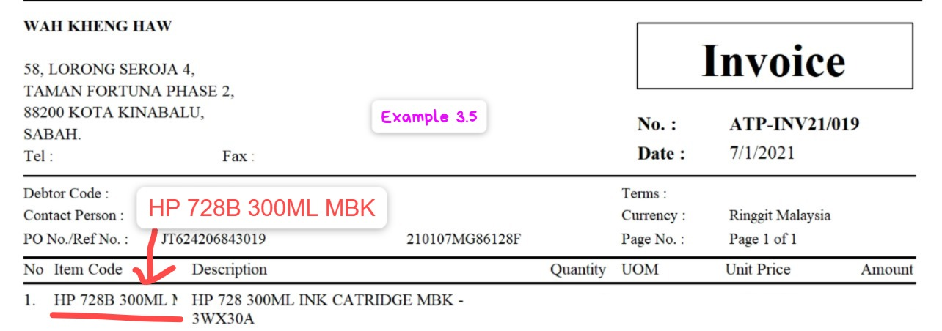
Example 3.5

3.6 | Document method information optional including the billing address and shipment address

4. | Maintain Service agreement
4.1 | - Auto termination frezze billing for expired agreement
4.2 | - When issue DO, alert messega pop up whether need to direct transfer to Invoice and/or Maintenance Service Item
Remark 4.2 | This transfer will direct fill up the information. Maintenance service item only need to fill in information for meter reading charges and rental charges only
4.3 | Initial meter reading date default deliver date but it can be changeable

5. | Bulk Email/ whatsapp invoice and SOA
5.1 | PDF File name in proper not only a digit. (eg. INV24.1006 / SOA_DEBTOR CODE_YYMM)

6. | Stock issue
 | Import stock issue with FIFO cost method

7. | Intercompany billing process flow
 | a,b,gov

